How to use
About the template

What are fixed costs/upfront expenses?
Fixed costs are expenses that remain constant within a certain range of production or sales volume, regardless of the level of business activity. These costs do not vary with changes in production levels or sales volumes. Examples of fixed costs include security deposits, equipment costs, insurance premiums, depreciation on fixed assets, and certain utilities (such as basic phone or internet services). These costs are incurred by a business regardless of whether it produces or sells anything during a particular period.
 | .
 | . | 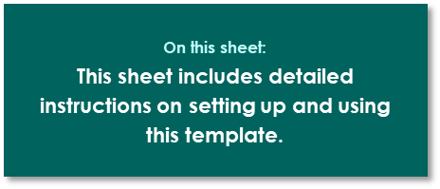 .

What are monthly expenses? |  | :
Monthly expenses for a business can vary widely depending on the size and nature of the business, its industry, location, and other factors.

The formula "Cost x Quantity = Actual Spend" represents a basic equation used in business and finance to calculate the total expenditure or cost incurred for a certain quantity of goods or services. Here's how to write and interpret this formula:

Formula: Cost x Quantity = Actual Spend

Explanation:

Cost (C): This represents the unit cost or price of each item or service. For example, if you're buying widgets at $5 each, then the cost per widget (C) would be $5.

Quantity (Q): This refers to the number of items or services purchased or produced. For example, if you buy 100 widgets, then the quantity (Q) would be 100.

Actual Spend: This is the total amount of money spent on purchasing or producing the specified quantity of items or services. It is calculated by multiplying the cost per unit (C) by the quantity (Q).

Mathematically, the formula is written as:
Actual Spend=Cost×Quantity
For example, if the cost per widget is $5 and you buy 100 widgets, the actual spend would be:
Actual Spend=$5×100=$500
This means you spent $500 to purchase 100 widgets at $5 each.

